Risk Evaluation
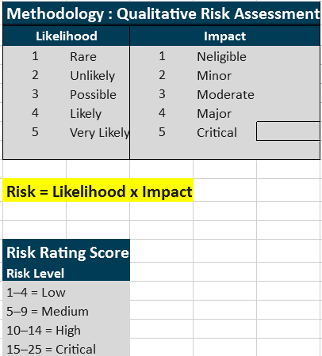
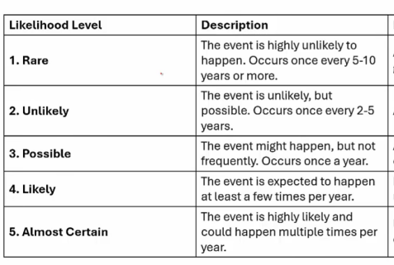

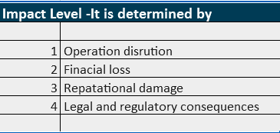

RR-1 | Likelihood | Impact
RR-1 | With no multifactor authentication ,brute force attack can happen few times a year thus access can be compromised so Likelihood = 4 | Impact is rated 5,because an unauthorized access would compromise the customer and organization data,resulting in repuatational damage, regulatory issues .
RR-2 | Thirparty suppliers(CIBIL, Experian aadhar ekyc are standard in industry, i assume pobalitity of security inciodent is less so likelihood is 3 | Third parties have acces to few customer data although it use financial data ,it would not affect reputation,bring the business down so impact is 4.
RR-3 | As no awareness training were conducted the chance of ransomeware can be higher so the likelihood is 4 | Impact would be 5 as it compromise pii ,availability finacial loss and regulation issue beacuce of condentialy breach
RR-4 | As no ISMS , security operations are not manged well and vulnerabilities exist breach can more often and notification would not be sent so likelihood is 4 | Impact would be finacial loss because of regulatory fine amount,the effcect would be less on business operations ,so it is 3
RR-5 | All developers have access to production | as production system involve real time data the impact would be higer so impact is 4
RR-6 | All developers have acces to production so accidental modification can happen some times so the likelihood is 3 | as production system involve real time data the impact would be higer so impact is 4
RR-7 | As no awareness training were conducted the chance of phisisng can be higher so the likelihood is 4 | Access to the workstation can enables access to internal system, as isms is not implemneted ,inconsistency in security controls have vulnerabilities so it can be exploited so impact is 5
RR-8 | As loan model is frequently used by the users, due to biased data , the people from different demogrphy can get constant rejection after submission so cghance is high ,likelihood is 4 | Business operation and financial loss mya not happen ,but it causes reputation damgae to organization and it is compliance issue accoprding to nist ai rmf so the impact would be 3
RR-9 | Human cognitive bias can happen sometime ,use go with ai decisosns without rechecking results , so likelihood can be 3 | the impact would be 2, finsese ai has recieved very fe complaints
RR-10 | when device is thef or lost , organization data can be accessed as encrytion is not implemeted for data in rest this can happen few times a year | As device contaain data like (aadhar number, phone number ),as pii is involved the impact is high
RR-11 | Finsense operates on aws infrastructure under the shared responsibility model and it is responsible for configurations according to it requirments | Imapact score is 4,because finsesnse deal with Pii and financial information,causing reputational damgage and regulatory compliance
RR-12 | Likelihood score is 4,No Privilege access controls has implmeneted ,the logs of finsense could tampered whenever the access is compromised | Impact score is 4,beacuse log contatins information related to incidents ,tamperor any change in logg cause delay in finding root causes causing reputational damage and affects business operations.
RR-13 | Likelihood score is 3 ,For Loan AI model Data drift occur after certain period of time because it requires standard information for loan approval | Impact score is 4, because loan approval depend on the ai model .Performanace degradation would lead to unexpected decisions
RR-14 | Likelihood score is 3, because an complex ai model id difficult to explain in some situations . | Impact score is 3,Unexplainbility of AI model would result in non compliance with AI regulations
RR-15 | Likelihood score is 4, becuase unavailability of backup resource would pause the business operations. | Impact score is 4. Abscence of business readiness would impact businesss operations,financial loss .

